1-(1)
1-(1) Setup monthly closing period |  |  | Go back "Index"

 | Every month, a monthly closing term needs to be setup, before Actual Stock Taking starts.
 | Monthly term follows the monthly closing schedule which F&A department publishes.

 | Operation
 |  | Responsibility : XXIA System Administrator
 |  | Navigation Path : IA Master Menu > IA Parameter Maintenance

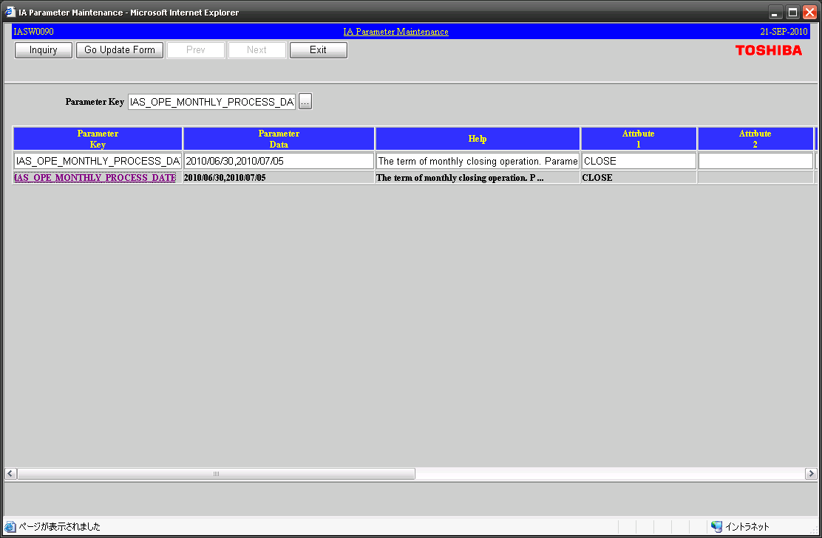

(1) "IAS_OPE_MONTHLY_PROCESS_DATE" is input or chooses from LOV.

Monthly closing period.
Daily processing is skipped during this term.
Status of monthly process.

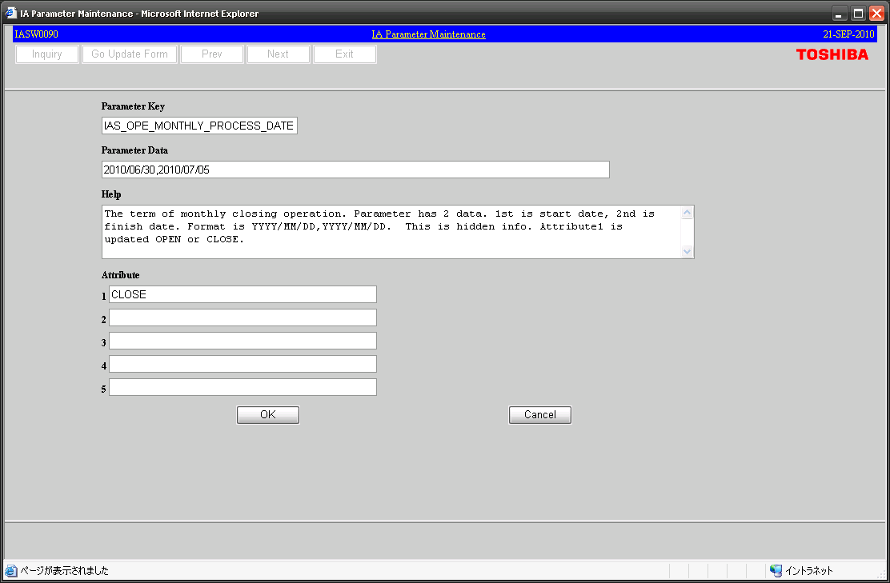

(2) Start date and end date are input with refer to monthly closing schedule.

(3) Please change to "OPEN" before starting IASS_Monthly11.
This data will be changed to "CLOSE" by last monthly processing (IASS_Monthly24).

 |  | * Daily processing would be executed every day even if it is monthly closing period.
 |  | But in that term, daily processing would be skipped by control program IASS9005.

1-(2)
1-(2) Execution concurrent job for monthly closing |  |  |  |  | Go back "Index"

 | Concurrent job is executed following monthly closing schedule which F&A department issues.
 | However, when executing each job, confirmation is necessary to F&A department each time.
 | And, about the monthly job, control logic is included so that execution sequence may not be mistaken.
 | (In Sheet 2-(5) and 2-(6) describes)

 | Operation
 |  | Responsibility : XXIA System Administrator
 |  | Navigation Path : Requests > Run

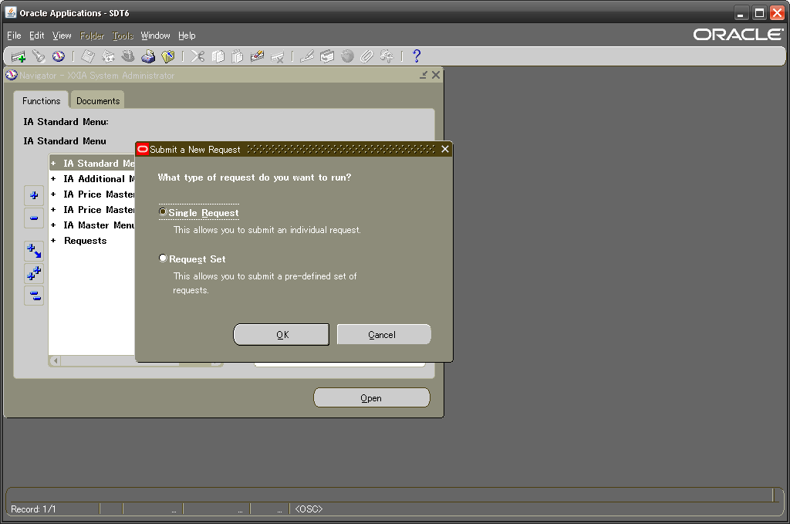

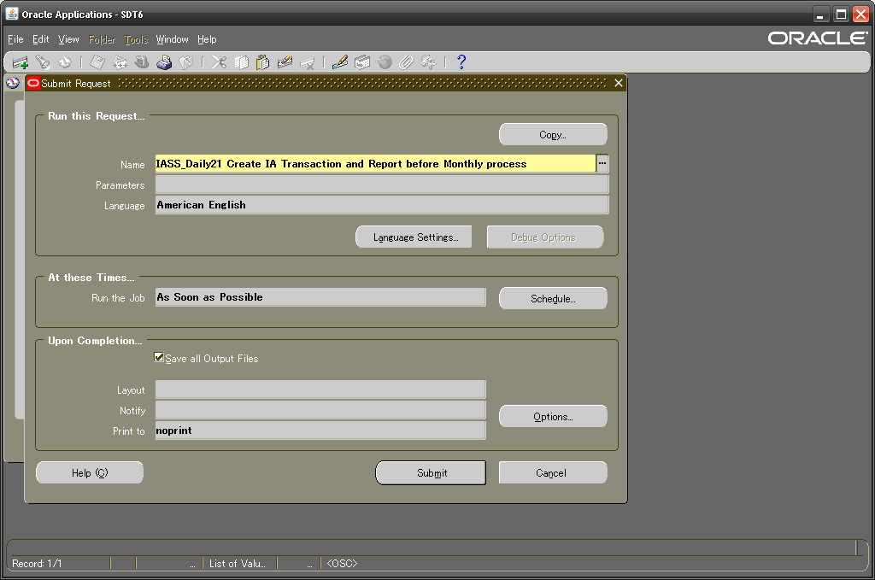

(1) The concurrent job to execute is chosen from LOV.
*Concurrent Job list is shown below.

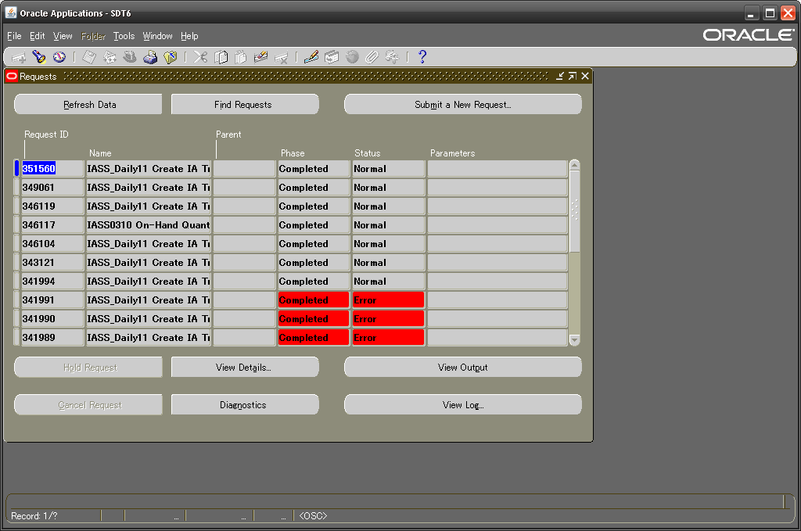

(2) Confirms that executed concurrent job has finished normally.

(3) [View Output] is clicked if it confirms an execution log.

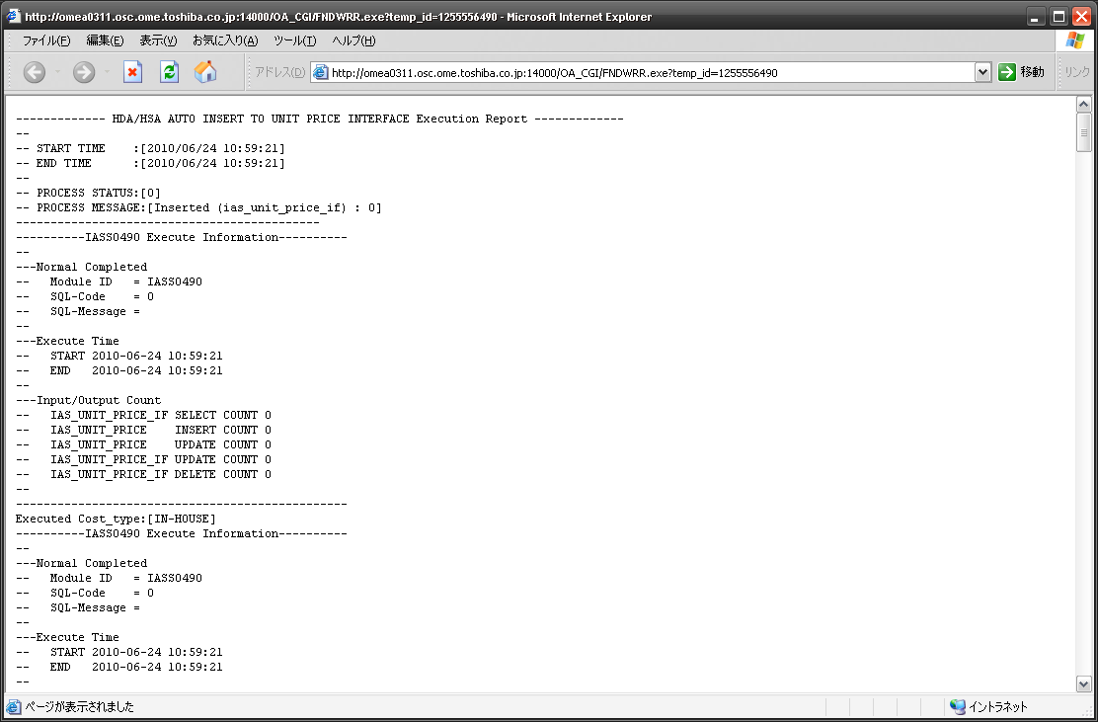

(4) Confirms that each step has finished normally.

 | Concurrent Job List

 |  | Program Name | Execution cycle | Execute by
 |  | IASS0490_EMP EMP update from Price Master interface | as needed | FIA
 |  | IASS0490_INH IN-HOUSE update from Price Master interface | as needed | FIA
 |  | IASS0490_TOV TOV update from Price Master interface | as needed | FIA
 |  | IASS0310 On-Hand Quantity Snapshot | Daily (every 7:45) | JP1
 |  | IASS_Daily11 Create IA Transaction and Report | Daily (every 7:45) | JP1
 |  | IASS_Daily12 Daily Backup | Daily (every 20:00) | JP1
 |  | IASS0390 TOV Change data creation | Around 15th in every April / July / October / January | ISS executes based on requirement from FIA.
 |  | IASS0400 TOV Change cost adjustment transaction issue
 |  | IASS_Daily21 Create IA Transaction and Report before Monthly process | Monthly | FIA
 |  | IASS_Monthly11 Backup before Monthly MAC calculation
 |  | IASS_Monthly12 Calculate Monthly MAC
 |  | IASS_Monthly13 Create again IA Transaction by Monthly MAC
 |  | IASS_Monthly14 Create IA Transaction and Report by Monthly MAC
 |  | IASS_Monthly16 Create Monthly Report
 |  | IASS_Monthly20 Backup before Account closing | Monthly | ISS executes based on requirement from FIA.
 |  | IASS_Monthly21 Account close and balance rotation for next month
 |  | IASS_Monthly23 Monthly Backup
 |  | IASS_Monthly24 Move data to history table
 |  | IAS_ACC_PERIOD_ADD Account Period update to next month | Monthly | IASS_Monthly21
 |  | IAS_PREV_MAC_INT Copy to Previous Moving Average Cost
 |  | IASR0100 Stock Ledger Report Output | Monthly | FIA
 |  | IASS0500 EMP and TOV Rotation | Every April and October | ISS executes based on requirement from FIA.

1-(3)
1-(3) Printing of Stock Ledger report |  |  | Go back "Index"
TSDP does not use.
 | This processing is executed in monthly closing. Please output the created report data to a line printer.

 | Operation
 |  | Responsibility : XXIA System Administrator
 |  | Navigation Path : Requests > Run > "IASR0100 Stock Ledger Report Output"
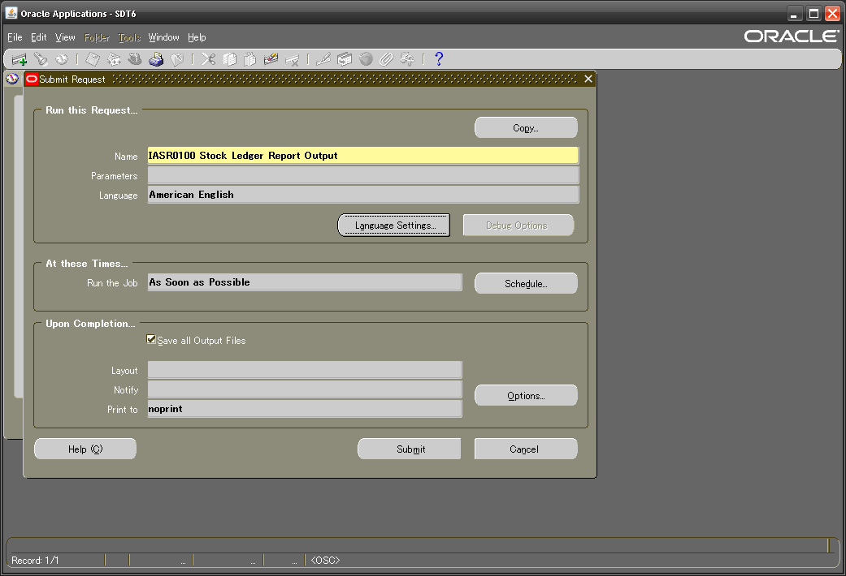

(1) The concurrent job to execute is chosen from LOV.

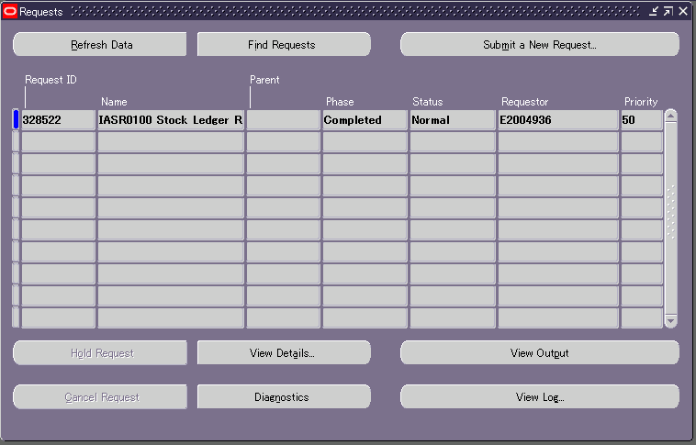

(2) Confirms that executed concurrent job has finished normally.

(3) [View Output] is clicked if it confirms an execution log.

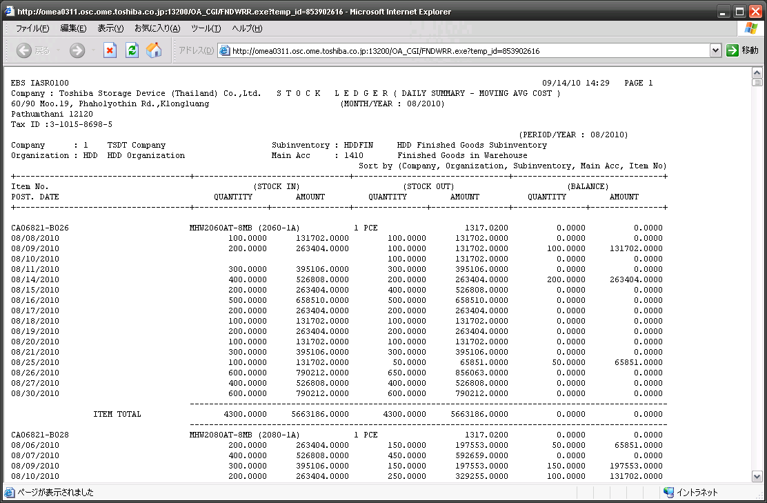

(4) Please output it to a line printer after saving the displayed page by a text file type.

1-(4)
1-(4) Execution concurrent program for price rotation (EMP and TOV) |  |  | Go back "Index"

 | The following IA unit price must be rotated by half-yearly processing after IA monthly closing for March and September.
 | Concretely, IASS_Monthly24 in September and March should finish, and if it can confirm that parameter status is "CLOSE", please execute.

 |  | EMP (Estimate material price)
 |  | Cost type : EMP-C1, EMP-C2, EMP-N1, EMP-N2

 |  | TOV (Product price)
 |  | Cost type : TOV-C1, TOV-C2, TOV-N1, TOV-N2

 |  | If FIA registers EMP/TOV of the next half year before rotation processing, they will be "xxx-N1" and "xxx-N2".
 |  | If it registers after rotation processing, they will be "xxx-C1" and "xxx-C2".

 | Operation
 |  | Responsibility : XXIA System Administrator
 |  | Navigation Path : Requests > Run > "IASS_Daily12 Daily Backup"
After finished

 |  | Navigation Path : Requests > Run > "IASS0500 EMP and TOV Rotation"



Example of rotation processing - Normal case

Previous fiscal half year
Current fiscal half year
Next fiscal half year

2010Q2
2010Q3
2010Q4
2011Q1
End of
2010A
PARTS-A
EMP-C1
10.0 (THB)
PARTS-A
EMP-C2
9.8 (THB)
PARTS-A
EMP-N1
9.7 (THB)
PARTS-A
EMP-N2
9.7 (THB)

Beginning of
2010B

PARTS-A
EMP-B2
10.0 (THB)
PARTS-A
EMP-B1
9.8 (THB)
PARTS-A
EMP-C1
9.7 (THB)
PARTS-A
EMP-C2
9.7 (THB)

2010Q2
2010Q3
2010Q4
2011Q1
2011Q2
2011Q3

(History data)

Example of rotation processing - Special case

If next fiscal half year’s unit price is not registered, current fiscal half year’s unit price is copied.

Previous fiscal half year
Current fiscal half year
Next fiscal half year

End of
2010A
2010Q2
2010Q3
2010Q4
2010Q1

PARTS-A
EMP-C1
10.0 (THB)
PARTS-A
EMP-C2
9.8 (THB)
Not
registered
Not
registered

Copy
Copy

Beginning of
2010B
PARTS-A
EMP-B2
10.0 (THB)
PARTS-A
EMP-B1
9.8 (THB)
PARTS-A
EMP-C1
10.0 (THB)
PARTS-A
EMP-C2
9.8 (THB)

2010Q2
2010Q3
2010Q4
2011Q1
2011Q2
2011Q3

(History data)

1-(5)
1-(5) Change of transaction acquisition time parameter |  |  | Go back "Index"

 | Basically, the transaction generated until morning shift start time is treated as the previous day transaction.
 | Because morning shift time is 7:00AM in case of TSDP, default setup of "+07:00:00" is done.
 | However, if it executes monthly processing on month end day, the transaction generated after 7:00AM of month end day is
 | not connected into IA system by the influence of this parameter.
 | Therefore, please change this parameter before a monthly processing (IASS_Daily21) start.
 | And change is unnecessary if it performs monthly processing after the first day next month.

 | Operation
 |  | Responsibility : XXIA System Administrator
 |  | Navigation Path : IA Master Menu > IA Parameter Maintenance

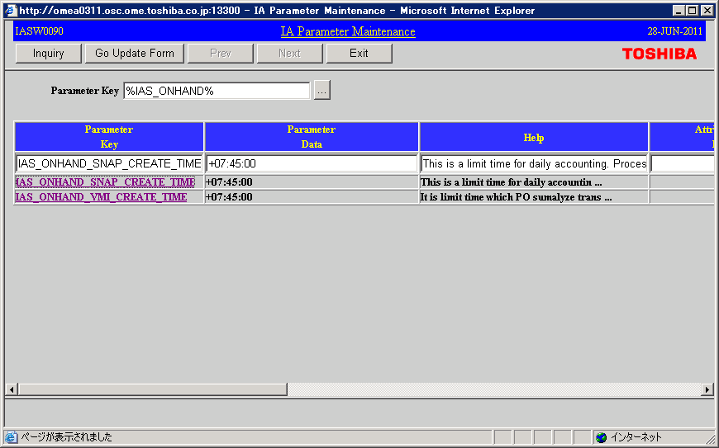

(1) "IAS_ONHAND_SNAP_CREATE_TIME" and "IAS_ONHAND_VMI_CREATE_TIME" is input or chooses from LOV.

In case of TSDP, "+07:00:00" is default value.

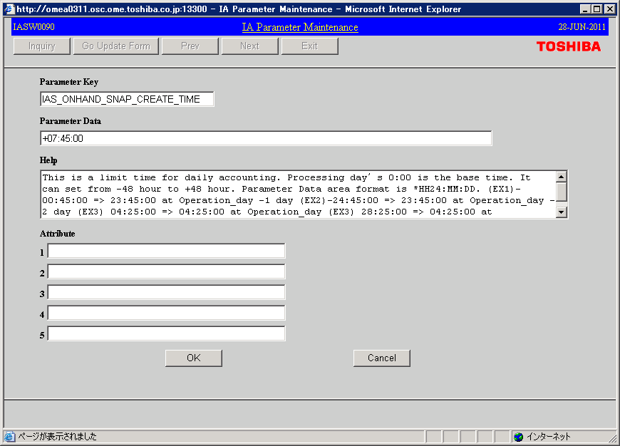

(2) Acquires transaction created until 23:59:59 by change to "+23:59:59".

 |  | * All monthly processing should be finished, and please return to default value this parameter after confirming that status
 |  | is "CLOSE" by "1-(1)". If it has forgotten to return parameter, it becomes the cause which difference occurs in "IA Inventory
 |  | variance (with INV) inquiry". Refer to "2-(3)" for that reason.

2-(2)
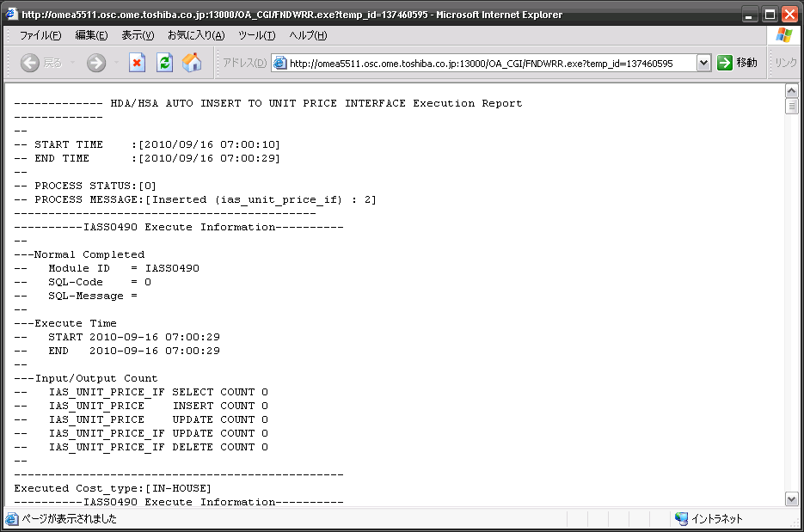
2-(2) If IA Balance update error occurs |  |  |  | Go back "Index"

 | IA Balance update error cannot be found if the execution log of daily and monthly processing is not confirmed.
 | So, please confirm the execution log of daily processing periodically. (Minimum every week)
 | Of course, be sure to confirm the execution log of monthly processing every time.

 | The confirmation method
 |  | Please search for the execution result of "IASS0070" from the execution log of a concurrent program.
 |  | (Refer to the next page for the execution log confirmation method of a concurrent program)
 |  | If the error has occurred, please ask to Ome support team with an execution log.
 |  | They will add the IA Balance update rule.

 |  | <Normal case>
 |  |  | ----------IASS0070 Execute Information----------------------
 |  |  | --
 |  |  | ---Normal Completed
 |  |  | -- Module-ID = IASS0070
 |  |  | -- SQL-Code =
 |  |  | -- SQL-Message =
 |  |  | --
 |  |  | ---Execute Time
 |  |  | -- START yyyy-mm-dd hh:mi:ss
 |  |  | -- END yyyy-mm-dd hh:mi:ss
 |  |  | --
 |  |  | ---Input/Output Count
 |  |  | -- IAS_TRANSACTIONS_SUM SELECT COUNT 194778
 |  |  | -- IAS_BALANCE UPDATE COUNT 22862
 |  |  | -- IAS_BALANCE INSERT COUNT 0
 |  |  | --
 |  |  | ------------------------------------------------------------

 |  | <Error case>
 |  |  | ----------IASS0070 Execute Information----------------------
 |  |  | --
 |  |  | ---Normal Completed
 |  |  | -- Module-ID = IASS0070
 |  |  | -- SQL-Code =
 |  |  | -- SQL-Message = It don't create balance. Please SetUp master table.
Key information is outputted if the updating rule for the balance has not been set up.
Transaction Type Name --> Revaluation cost
balance NUM --> (+)
Subinventory Code --> HDDQLC
Transfer Subinventory Code --> null
By the way,
balance NUM --> #
In this case, because to show quantity 0, it is not necessary to set up the balance update rule.
 |  |  | --
 |  |  | ---Execute Time
 |  |  | -- START yyyy-mm-dd hh:mi:ss
 |  |  | -- END yyyy-mm-dd hh:mi:ss
 |  |  | --
 |  |  | -- SEQ + transaction + balance NUM
 |  |  | -- type
 |  |  | -- Subinventory + Transfer
 |  |  | -- Code Subinventory code
 |  |  | --
 |  |  | -- 1 Revaluation cost (+)
 |  |  | -- HDDQLC
 |  |  | -- 2 Revaluation cost (-)
 |  |  | -- HDDLINE
 |  |  | -- 3 Revaluation cost #
 |  |  | -- HDDMAT
 |  |  | --
 |  |  | ---Input/Output Count
 |  |  | -- IAS_TRANSACTIONS_SUM SELECT COUNT 194765
 |  |  | -- IAS_BALANCE UPDATE COUNT 22859
 |  |  | -- IAS_BALANCE INSERT COUNT 0
 |  |  | --
 |  |  | ------------------------------------------------------------

 | The execution log confirmation method of a concurrent program

 |  | Responsibility : XXIA System Administrator
 |  | Navigation Path : Requests > View

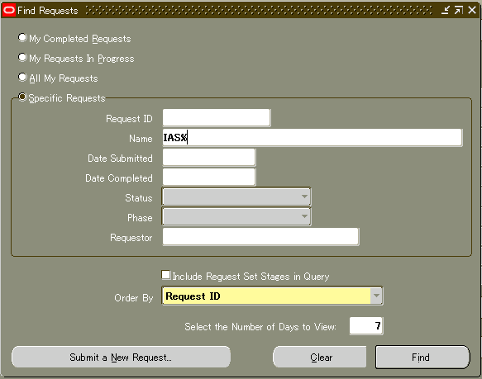
(1) Please select [Specific Requests].

(2) Please input Name "IAS%".

(3) Please click [Find] button.

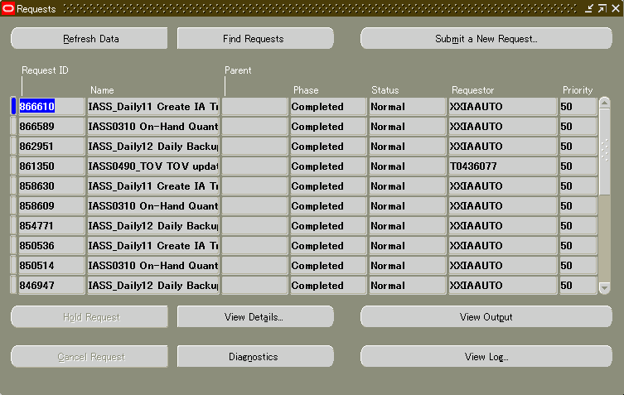
(4) Please select the target request.

(5) Please click [View Output] button.

2-(3)
2-(3) If IA Inventory variance (with INV) occurs |  |  |  |  |  |  |  | Go back "Index"

 | If variance found in "IA Inventory variance (with INV) inquiry", it confirms as follows.

 | The variance in daily processing

 | 1. | Confirm whether the transaction error of corresponding items has occurred.
 |  | It is not reflected in IA Balance, because IA Transaction will not be created if the transaction error has occurred.
 |  | So, variance occurs.
 |  | If transaction error is solved, a variance will disappear by daily processing of the next morning.

 | 2. | Transaction issue timing and On-Hand data copy timing was not synchronized.
 |  | IA Transaction is created using the occurred transaction until AM7:45, After that IA Balance is created.
 |  | And, On-Hand data is copied at the AM7:45, and is used for comparing.
 |  | (Please refer to the structure of next page)
 |  | So, if a transaction occurs around AM7:45, it is not sure whether it is reflected.
 |  | In this case, please confirm a daily processing result of the next morning.

 | The variance on specification
 |  | If variance occurs in xxxVPR during month, a variance occurs also in xxxMAT in same item code.
 |  | The subinventory is converted because IA is treating xxxVPR as xxxMAT.
 |  | So, it is no problem if it is a variance between the same items and the same quantity.

 |  |  | On-Hand |  | IA Balance
 |  |  | HDDMAT Qty = 0 |  | HDDMAT Qty = -10

 |  |  | HDDVPR Qty= -10

 | The variance in monthly closing
 |  | In monthly closing, IA treats a transaction the previous month.
 |  | But, because the quantity of On-Hand is copied to AM7:45 every day, the targets for comparing differ.
 |  | So, this report cannot be used during monthly closing.
 |  | The comparing data as the end of previous month inventory provide by download menu.

 |  | Responsibility : XXIA System Administrator
 |  | Navigation Path : IA Additional Menu > Data Download for IA > "Comparing inventory after AST"

 |  |  |  | Input Parameter : |  |  | (ex)
 |  |  |  | PERIOD NAME (MONTH-YY) |  | --> | September-10
 |  |  |  | PHYSICAL INVENTORY NAME (HDD) |  | --> | HDD20100930-2
 |  |  |  | PHYSICAL INVENTORY NAME (HPC) |  | --> | HPC20100930-2

 |  | However, If differences except a transaction error have occurred, it is possible that issue is in the system.
 |  | (recovery mistake etc.) In that case, please ask Ome support team.

Processing image

"IAS_ONHAND_SNAP_CREATE_TIME" in
IA Parameter master is setting to "+07:00:00"
 | during Month case

07:00
00:00
07:00
00:00

yesterday
today

Transaction acquirable period into IA

On-Hand

Balance creation
This report is the variance which compared Balance and INV of this timing.
Data copy

Balance
INV

 | during Monthly closing case

07:00
00:00
07:00
00:00

Last month
This month

Transaction acquirable period into IA

AST
On-Hand

Balance creation
On-Hand
after AST
Data copy
This report cannot be used because the comparing target is different in monthly closing.

Balance
INV

On-Hand after AST and IA balance should be in agreement.

2-(4)
2-(4) Correction of unit price variance between organizations |  |  | Go back "Index"

 | If it is principle, the same company, and the same Business Unit, the unit price of the same items should be
 | same. but the unit price which is different between HDD organization and HPC organization may be made.

 | The cause of occurring
 | (1) | Because the migration organization was mistaken when migrating from GLOVIA, unit price data
 |  | except an original organization was made.

GLOVIA
EBS
EHD price = 10
EHD price = 9.5
STD price
10
After MAC calculation
FRC price = 10
FRC price = 10

 | (2) | Unit price data except an original organization was made from having mistaken the receiving
 |  | organization.
EHD price = 10
EHD price = 10
After MAC calculation
Received in wrong organization.
FRC price = 9.5

 | (3) | Because the wrong transfer between organizations was done, a unit price is needed in transfer
 |  | organization. So, the unit price of transfer organization was registered.
Unit price is necessary because to transfer. So, unit price was registered.
EHD price = 10
EHD price = 10
Wrong transfer
Return transfer
After MAC calculation

FRC price = 9.5
FRC price = 10
FRC price = 10

 | (4) | When it is items having two ways receive.

Received by purchase
EHD price = 9.5
EHD price = 9.5
After MAC calculation
FRC price = 10
Received by consignee
FRC pirce = 10

 | The confirmation of variance
 |  | The information for unit price variance between organizations is provided by download menu.

 |  | Responsibility : XXIA System Administrator
 |  | Navigation Path : IA Additional Menu > Data Download for IA > "Unit price variance between organizations"

 | Recovery
 | a. | The case of above (1)
 |  | When it is correct that both organizations have stock, you have to synchronize the unit price of both
 |  | organizations. Because it should have received in one of organizations, after monthly MAC is calculated
 |  | (after IASS_Monthly12 finishes), another organization unit price is modified.

 | b. | The case of above (2) or (3)
 |  | It clarifies which stock is correct and the unit price of wrong organization is delete.
 |  | However, when the transaction of the organization which is corresponding during this month has occurred,
 |  | you have to do deleting after next month.

 | c. | The case of above (4)
 |  | After monthly MAC is calculated (after IASS_Monthly12 finishes), manual calculation of the parallel purchase
 |  | MAC is done, and the unit price of both organizations is modified.

2-(5)
2-(5) If job execution sequence was mistake, or if you want to do rerun |  |  |  |  |  | Go back "Index"

 | Because to prevent incorrect execution of concurrent job, execution sequence is controlled internally.
 | Those are controlled in a IA Parameter master.

 | Concurrent job status control parameter
 |  | If you need to execute same processing again, it has to change "IAS_CONCURRENT_STATUS".
 |  | But you have to confirm whether that process can be rerun.

 |  | PARAMETER_KEY | PARAMETER_DATA | ATTRIBUTE1 | ATTRIBUTE2 | ATTRIBUTE3
 |  | IAS_CONCURRENT_STATUS | IASS_M21 | IASS_M21 | NORMAL
 |  |  | ↑ Latest finished job name | ↑ Latest executed job name | ↑ Status

 |  | For example, when you have forgotten to make MAC correction and IASS_Monthly13 has been executed,
 |  | 1. MAC is modified.
 |  | 2. Return "IAS_CONCURRENT_STATUS" to state before one.
 |  | PARAMETER_KEY | PARAMETER_DATA | ATTRIBUTE1 | ATTRIBUTE2 | ATTRIBUTE3
 |  | IAS_CONCURRENT_STATUS | IASS_M13 | IASS_M13 | NORMAL
 |  |  | ↓ | ↓
 |  | IAS_CONCURRENT_STATUS | IASS_M12 | IASS_M12 | NORMAL

 |  | 3. Rerun IASS_Monthly13.

 | Execution sequence control parameter
 |  | Each execution sequence of job is set up by "IASS9003APPLSTS:xxxxxxxx". * xxxxxxxx portion is controlled job name.
 |  | These maintenances are unnecessary. If you add new job, or if you change execution sequence, please ask to
 |  | Ome support team.

 |  | PARAMETER_KEY | PARAMETER_DATA | ATTRIBUTE1 | ATTRIBUTE2 | ATTRIBUTE3
 |  | IASS9003APPLSTS:IASS_M11BKUP | 10 |  | 2 | MONTHLY
 |  | IASS9003APPLSTS:IASS_M12 | 11 | 10 | 3 | MONTHLY
 |  | IASS9003APPLSTS:IASS_M13 | 12 | 11 | 3 | MONTHLY
 |  | IASS9003APPLSTS:IASS_M14 | 13 | 12 | 3 | MONTHLY
 |  | IASS9003APPLSTS:IASS_M16 | 14 | 13 | 4 | MONTHLY
 |  | IASS9003APPLSTS:IASS_M20BKUP | 15 | 14 | 3 | MONTHLY
 |  | IASS9003APPLSTS:IASS_M21 | 16 | 15 | 3 | MONTHLY
 |  | IASS9003APPLSTS:IASS_M23BKUP | 17 | 16 | 3 | MONTHLY
 |  | IASS9003APPLSTS:IASS_M24 | 18 | 17 | 3 | MONTHLY
 |  |  | ↑ Sequence of job launch | ↑ Previous job sequence number | ↑ Condition of starting | ↑ Job type

 |  | PARAMETER_DATA field is execution sequence.
 |  | ATTRIBUTE1 field sets that execution sequence number, when there is a precedence job.
 |  | ATTRIBUTE2 field sets the execution rule of processing. Type is 1 to 5. It controls by combination with a precedence job.
 |  | ATTRIBUTE3 field sets except MONTHLY, when controlling the processing of those other than a monthly closing period.

 |  | * Additional information of ATTRIBUTE2
 |  | "１" : (A) Rerun is possible always.
 |  | "１" : (B) Status does not update, or when execution sequence number is below oneself, it updates.
 |  | "2" : (A) Rerun is possible always.
 |  | "2" : (B) CONCURRENT_STATUS is updated.
 |  | "3" : (A) Execution is possible if execution sequence is correct.
 |  | "3" : (B) CONCURRENT_STATUS is updated.
 |  | "4" : (A) The precedence job is completed normally, Or in the case of the execution sequence number more than it,
 |  | execution is possible.
 |  | "4" : (B) CONCURRENT_STATUS is updated. However, when precedence job execution sequence number is more than
 |  | oneself, it does not update.
 |  | "5" : (A) Execution is possible always.
 |  | "5" : (B) Status does not update.

 |  | (A): Starting control by Check process
 |  | (B): Updating of "IAS_CONCURRENT_STATUS" by Status update

 | Can it rerun or not?

 |  |  | IASS_M11BKUP

 |  |  | IASS_M12

Rerun is impossible because data recovery is necessary. Please ask to Ome support team, if rerun is necessary.
 |  |  | IASS_M13

 |  |  | IASS_M14

 |  |  | IASS_M16

 |  |  | IASS_M20BKUP

 |  |  | IASS_M21

 |  |  | IASS_M23BKUP

 |  |  | IASS_M24

3-(2)
3-(2) When you want to change "Inventory balance updating rule" |  |  |  |  |  |  | Go back "Index"

 |  | Impact is just "IA Inventory balance". But, you have to consider the timing which changes an updating rule of IA Balance.
 |  | If you want to change update rule, Please ask to OME support team. After that, they will change it.

 |  | In the combination of "Transaction Type Name", "Subinventory (To)", "Subinventory (From)", increase and decrease sign
 |  | with updating columns in IA Balance are set up.

 |  | (Example)
 |  | Transaction Type Name | Subinventory (To) | Subinventory (From) | Update Column for Subinventory (To) | Update Column for Subinventory (From) | Update Sign
 |  | Direct Org Transfer | HDDMAT | HPCFIN% | RECEIPT_TRANSFER | ISSUE_NORMAL | (+)
 |  | Direct Org Transfer | HDDLINE | HPCMAT | RECEIPT_TRANSFER | ISSUE_TRANSFER | (+)
 |  | PO Receipt | %MAT% | # | RECEIPT_NORMAL | # | (+)
 |  | PO Receipt | %VPR% | # | RECEIPT_NORMAL | # | (+)
 |  | Return to Vendor | %MAT% | # | RECEIPT_NORMAL | # | (-)
 |  | Return to Vendor | %VPR% | # | RECEIPT_NORMAL | # | (-)

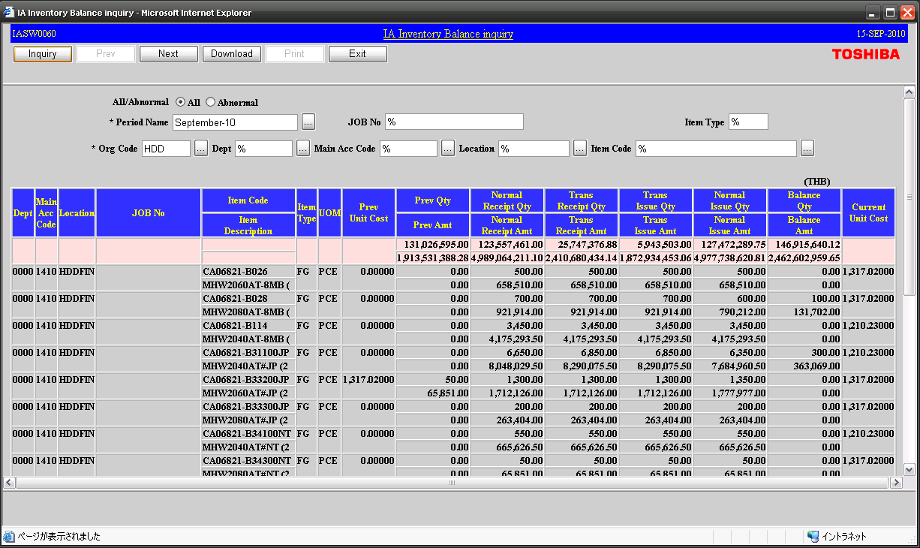

 | (*) Note
 |  | At TSDT, unique setup is done by some transactions. It updates the same column by the transaction of Receipt and Issue.
 |  | This is for getting the total of the quantity and the amount containing a canceled transaction, when financial department
 |  | records an account. Those are the following transactions.

 |  | PO Receipt
 |  | Return to Vendor
 |  | WIP Assy Completion
 |  | WIP Assembly Return

3-(3)
3-(3) When you want to change "Accounting code convert master" |  |  |  |  |  |  |  |  |  | Go back "Index"

 | Impact is so big. It is accompanied by modification of various data.
 | If you want to change Accounting Flex Field, Please ask to OME support team. After that, they will change it.

 | When creating IA transaction from the standard transaction in EBS, the accounting code of "FROM (CREDIT)"
 | "TO (DEBIT)" is given.

 | (Data Image)
 |  | EBS Standard transaction (Table : MTL_MATERIAL_TRANSACTIONS)
 |  | Transaction Date | Transaction Type Name | Subinventory | Transfer Subinventory | Item code | Quantity | ...

Creating IA Transaction

 |  | IA Transaction (Table : IAS_TRANSACTIONS, IAS_TRANSACTIONS_SUM)
 |  | Transaction Date | Transaction Type Name | Subinventory | Transfer Subinventory | Item code | Quantity | Debit Accounting Code (TO) | Credit Accounting Code (FROM) |  | ...

Accounting code is got from "IA EBS TXN Code Convert to COA" master.

(a)
(ex) Attribute10 exeplanation.
"004" : A5A002606100,Direct Org Transfer,HDDMAT,HPCFIN-SI,HPC,THB,2010/09/01
<< Cancel inputed >>
"999:004": A5A002606100,Direct Org Transfer,HDDMAT,HPCFIN-SI,HPC,THB,2010/09/01
<< Retuen to error inputed >>
"004" : A5A002606100,Direct Org Transfer,HDDMAT,HPCFIN-SI,HPC,THB,2010/09/01
<MTL_MATERIAL_TRANSACTIONS>
 | Transaction_id |  | Transaction_type_id |  |  | Transfer_Organization_id |  |  | Transaction_quantity |  | attribute7 | attribute8 | attribute10 | Currency
 |  | …… |  | Organization_ID |  |  | Transfer_subinventory |  |  | Transaction_cost
 |  |  |  |  | Subinventory_code |  |  | Transaction_date |  |  |  |  | null : no touch
 |  |  |  |  |  |  |  |  |  |  | VMI Parts Issue has PO price | VMI Parts Issue has CURRENCY | 5 : target 0 : OK
 | （Primary Key） |  |  |  |  |  |  |  |  |  |  |  | 1 : Ignore
 |  |  |  |  |  |  |  |  |  |  |  |  | 0xx:** : Error
 |  |  |  |  |  |  |  |  |  |  |  |  | 999:0xx:** : Cancel

Change name used by
mtl_transaction_types
Change code used
by mtl_parameters

Change code used
by mtl_parameters
 | 1 : 1

It gets from GL Daily Rate.

<IAS_TRANSACTIONS>
 | Transaction_id |  | Transaction_type_name |  |  | Transfer_Organization_code |  |  | Transaction_quantity |  |  |  |  | Currency | DEBIT1 |  |  |  | DEBIT5 |  |  |  | CREDIT1 |  |  |  | CREDIT5 |  |  |  | Currency_Rate |  |  |  | Currency_Amount
 |  | Sum_transaction_id |  | Organization_code |  |  | Transfer_subinventory |  |  | DecisionStatus |  | …… | …… |  |  | DEBIT2 |  |  |  | DEBIT6 |  |  |  | CREDIT2 |  |  |  | CREDIT6 |  |  |  |  |  | Currency_Price
 |  |  |  |  | Subinventory_code |  |  | Transaction_date |  |  | Acceptance_flag |  |  | (ex) THB |  |  | DEBIT3 |  |  |  | DEBIT7 |  |  |  | CREDIT3 |  |  |  | CREDIT7 |  |  |  |  |  | = Crrency_price
 | （Primary Key） |  |  |  |  |  |  |  |  | 1: final | 1: receiving |  |  |  |  |  |  | DEBIT4 |  |  |  | DEBIT8 |  |  |  | CREDIT4 |  |  |  | CREDIT8 |  |  |  |  | * Transaction_quantity
 |  |  |  |  |  |  |  |  |  | 2: temp(daily) | 2: others
 |  |  |  |  |  |  |  |  |  | 3: don't connect to GL

 | 1 : 1

<IAS_ADJ_TRANSACTIONS>
 | Transaction_id |  | Transaction_type_name |  |  | Transfer_Organization_code |  |  | Adjust_quantity |  |  | decision_status
 |  | …… |  | Organization_code |  |  | Transfer_subinventory |  |  | Adjust_cost |  |  | extract_flag | ……
 |  |  |  |  | Subinventory_code |  |  | Period_name |  |  | Adjust_amount | Connect to ?
 |  |  |  |  |  |  |  |  |  |  |  | 1 : IA & GL | null : target 0 : OK
 | （Primary Key） |  |  |  |  |  |  |  |  |  |  | 3 : Only IA | 1 : cancel
 |  |  |  |  |  |  |  |  |  |  |  |  | 3 : error

 |  | 1 : n
Last date in the
month
Total quantity of
all a month

<IAS_TRANSACTIONS_SUM>
 |  | Transaction_id | Transaction_type_name |  |  | Transfer_Organization_code |  |  | Transaction_quantity |  |  | GL_Connect_no |  | Currency | DEBIT1 |  |  |  | DEBIT5 |  |  |  | CREDIT1 |  |  |  | CREDIT5 |  |  |  | Currency_Rate | Currency_Price_TEMP |  |  | Currency_Amount
 |  |  |  | Organization_code |  |  | Transfer_subinventory |  |  | DecisionStatus |  |  | GL_Connect_flag |  |  | DEBIT2 |  |  |  | DEBIT6 |  |  |  | CREDIT2 |  |  |  | CREDIT6 |  |  |  |  | Currency_Amount_TEMP
 |  |  |  |  | Subinventory_code |  |  | Transaction_date |  |  | Acceptance_flag |  |  | (ex) 'USD' |  |  | DEBIT3 |  |  |  | DEBIT7 |  |  |  | CREDIT3 |  |  |  | CREDIT7 |  |  |  |  | Currency_Price
 |  |  |  |  |  |  |  |  |  | 1: final | 1: receiving | Using "IA NO" |  |  |  |  |  | DEBIT4 |  |  |  | DEBIT8 |  |  |  | CREDIT4 |  |  |  | CREDIT8
 |  | （Primary Key） |  |  |  |  |  |  |  | 2: temp(daily) | 2: others
 |  |  |  |  |  |  |  |  |  | 3: don't connect to GL

 |  |  |  |  |  |  |  |  |  | IASS0050 |  | IASS0060 |  |  |  |  |  |  |  |  |  |  |  |  |  |  |  |  |  |  |  | IASS0050

(b)
ex) If accounting period in September-10, the data before March-09 is deleted.
Months
1 2010/9
2 2010/8
3 2010/7
4 2010/6
5 2010/5
6 2010/4
7 2010/3
8 2010/2
9 2010/1
10 2009/12
11 2009/11
12 2009/10
13 2009/9
14 2009/8
15 2009/7
16 2009/6
17 2009/5
18 2009/4 Holds data so far.
19 2009/3 Deletes from here.
Description | Original table | IASS0300 |  |  | History table | IASS0340
 |  | Original table keep term (Months) | Copy to history key | Parameter setting |  | History table keep term (Months) | Delete parameter key | Parameter setting
IA Transaction Detail (1.5M record/month) | IAS_TRANSACTIONS | 1 | IA_TXN_DATA_MAINTENANCE_PERIOD | 1 | IAS_TRANSACTIONS_HST | 2 | TXN_HISTORY_MAINTENANCE_PERIOD | 2
IA Transaction Summary (0.2M record/month) | IAS_TRANSACTIONS_SUM | 2 | IA_DATA_MAINTENANCE_PERIOD | 2 | IAS_TRANSACTIONS_SUM_HST | 18 | HISTORY_MAINTENANCE_PERIOD | 18
IA Inventory Balance | IAS_BALANCE | 2 | IA_DATA_MAINTENANCE_PERIOD | 2 | IAS_BALANCE_HST | 18 | HISTORY_MAINTENANCE_PERIOD | 18
Worktable for MAC calculation | IAS_BALANCE_MV | 2 | IA_DATA_MAINTENANCE_PERIOD | 2 | IAS_BALANCE_MV_HST | 18 | HISTORY_MAINTENANCE_PERIOD | 18
Account Payable | IAS_ACC_PAY | 2 | IA_DATA_MAINTENANCE_PERIOD | 2 | IAS_ACC_PAY_HST | 18 | HISTORY_MAINTENANCE_PERIOD | 18
Back-flush base cost report | IAS_MAT_SUM | 2 | IA_DATA_MAINTENANCE_PERIOD | 2 | IAS_MAT_SUM_HST | 18 | HISTORY_MAINTENANCE_PERIOD | 18
Back-flush base cost CR/CU report | IAS_MATERIAL_COST | 2 | IA_DATA_MAINTENANCE_PERIOD | 2 | IAS_MATERIAL_COST_HST | 18 | HISTORY_MAINTENANCE_PERIOD | 18
BOM base cost CR/CU report | IAS_MATERIAL_CR_ANA | 2 | IA_DATA_MAINTENANCE_PERIOD | 2 | IAS_MATERIAL_CR_ANA_HST | 18 | HISTORY_MAINTENANCE_PERIOD | 18
BOM base cost CR/CU report per model | IAS_MFG_COST | 2 | IA_DATA_MAINTENANCE_PERIOD | 2 | IAS_MFG_COST_HST | 18 | HISTORY_MAINTENANCE_PERIOD | 18
Price analysys report | IAS_PRICE_ANA | 2 | IA_DATA_MAINTENANCE_PERIOD | 2 | IAS_PRICE_ANA_HST | 18 | HISTORY_MAINTENANCE_PERIOD | 18
Production report | IAS_PRODUCTION | 2 | IA_DATA_MAINTENANCE_PERIOD | 2 | IAS_PRODUCTION_HST | 18 | HISTORY_MAINTENANCE_PERIOD | 18

 |  | * Note
 |  |  | Report data is divided into the Original table and the History table because to reduce the processing times of batch processing.
 |  |  | Usually, batch process refer to an original table with little data.
 |  |  | And, The inquiry from a form is controlling the reference table by the corresponding month.

(c)
Internal backup

 | The following tables are backed up in preparation for the trouble after job execution.
 | And, it can restore to test environment and these data can be used for verification.

 | Monthly processing

 | M11 BKUP |  |  |  |  |  |  |  |  |  | M20 BKUP |  |  |  | M23 BKUP

 |  |  | M12 |  | M13 |  | M14 |  | M16 |  |  |  | M21 |  |  |  | M24
 |  | --> |  | --> |  | --> |  | --> |  | --> |  | --> |  | --> |  | -->

Back-up table
IAS_BALANCE
IAS_BALANCE_MV
IAS_UNIT_PRICE
IAS_UNIT_PRICE_PREV
* 3 generations are held.
Back-up table
IAS_ADJ_TRANSACTIONS
IAS_BALANCE
IAS_BALANCE_DAY
IAS_BALANCE_DEPT_CHANGE
IAS_BALANCE_MV
IAS_MODEL_BOARD
IAS_ORG_ACC_CODES
IAS_PARAMETER_MST
IAS_UNIT_PRICE
IAS_UNIT_PRICE_PREV
IAS_SETUP_HEADER
IAS_SETUP_DETAIL
* 11 generations are held.
Back-up tabale
IAS_BALANCE
IAS_BALANCE_HST
IAS_PRODUCTION
IAS_PRODUCTION_HST
IAS_MATERIAL_CR_ANA
IAS_MATERIAL_CR_ANA_HST
IAS_MAT_SUM
IAS_MAT_SUM_HST
IAS_MATERIAL_COST
IAS_MATERIAL_COST_HST
IAS_BALANCE_MV
IAS_BALANCE_MV_HST
IAS_ACC_PAY
IAS_ACC_PAY_HST
IAS_PRICE_ANA
IAS_PRICE_ANA_HST
IAS_MFG_COST
IAS_MFG_COST_HST
IAS_ADJ_BALANCE
IAS_ADJ_TRANSACTIONS
IAS_DEAD_STOCK
IAS_TRANSACTIONS_SUM
IAS_TRANSACTIONS
IAS_TRANSACTIONS_HST
IAS_TRANSACTIONS_SUM_HST
* 3 generations are held.

(d)
Unit price control criteria

 | Price Type List
 | IA system has the following unit price types. These are controled at each inventory organization.

 | Price Name | Purpose of Use | Price Type |  | Control Section |  | Update Method |  | Update Frequency
 |  |  |  |  | Hornet | Capricorn | Hornet | Capricorn | Hornet | Capricorn
 | Moving Average Cost | Material inventory valuation | DMAC | Daily MAC (Tentative) | F&A |  | Auto |  | Everyday
 |  |  | MAC | Monthly MAC (Final) | F&A |  | Auto |  | Monthly (in IASS_Monthly12)
 | Estimated Material Price | Material cost comparison (Budget vs. Actual) and Material cost piles up in TOV | EMP-C1 | First half of current FY | CPS | OME CPS (Base is OME) | Manual | Import function is used. Manual | Quarterly
 |  |  | EMP-C2 | Second half of current FY
 |  |  | EMP-N1 | First half of next FY
 |  |  | EMP-N2 | Second half of next FY
 | Turn Out Value | Inventory valuation and production output for finish goods and semi-finish goods. | TOV-C1 | First half of current FY | CPS | OME CPS (Base is OME) | Manual |  | Quarterly
 |  |  | TOV-C2 | Second half of current FY
 |  |  | TOV-N1 | First half of next FY
 |  |  | TOV-N2 | Second half of next FY
 |  |  | TOV-C | HDA,HSA | System |  | Auto |  | Half year
 | In-House Price | Semi-finish goods inventory valuation | IN-HOUSE |  | CPS Not use | OME Not use | Manual |  | Quarterly
 | Cost Unit Price | Transaction, Reports, Jounalization | DEFAULT |  | F&A |  | Auto |  | Each time
 |  |  |  | *FY: Financial Year

 | What is DEFAULT cost?
 | DEFAULT cost is used for all inventory valuations in IA system. And, DEFAULT cost is created from various unit price kinds.

Material
DEFAULT
Price Master
DMAC
Auto update (Direct)

Auto update (Direct)
MAC

Manual
EMP-Cx
Price Master
Auto update

Finish Goods and Semi-Finish Goods

TOV-Cx
Price Master
Manual
Auto update

IN-HOUSE
Manual
Price Master
Auto update

(e)
Revaluation cost

 | Inventory revaluation
 | Inventory valuation is executed by each item code and sub-inventory in monthly processing (after monthly MAC calculation)
 | Variance of valuation amount depending on cost unit price is calculated, and adjustment transaction is issued.
 | Inventory balance is updated based on the issued transaction.

Variance of Valuation amount
A – B < 0
B
Current Unit Price
×
Current month
Quantity
A
Current month
Amount
Variance of Valuation amount
A – B > 0

A
Current month Amount
B
Current Unit Price
×
Current month Quantity

Revaluation
Transaction Issue

Transaction type = "Revaluation cost"
Quantity = 0 and Amount = (+)
Transaction type = "Revaluation cost"
Quantity = 0 and Amount = (-)

Inventory Balance Update

 | Example

 | The following is done in IASS_Monthly12.

 | <IA Balance before MAC calculation>
 | Item Code | Subinventory | Previous Balance |  | Normal Receipt |  | Transfer Receipt |  | Normal Issue |  | Transfer Issue |  | Current Balance
 |  |  | Quantity | Amount | Quantity | Amount | Quantity | Amount | Quantity | Amount | Quantity | Amount | Quantity | Amount
 | Parts-A | HDDMAT | 10 | 1000 | 10 | 950 | 0 | 0 | 5 | 500 | 0 | 0 | 15 | 1450
 | Parts-A | HDDLINE | 20 | 2000 | 5 | 500 | 0 | 0 | 0 | 0 | 0 | 0 | 25 | 2500

 | <MAC calculation>
 |  | MAC = | Previous Amount + Normal Receipt Amount |  |  |  |  | = | (1000 + 2000 + 950) |  |  | = | 98.75
 |  |  | Previous Quantity + Normal Receipt Quantity |  |  |  |  |  | ( 10 + 20 + 10 )

Although this is the case where MAC is calculated, DEFAULT cost may be used except MAC.
That is, it may be evaluated by costs except MAC.
 | <IA Unit Price Master>
 | Organization |  | Item Code |  | Cost Type |  | Item Cost
 | HDD |  | Parts-A |  | DEFAULT |  | 98.75

 | The following is done in IASS_Monthly13.

 | <IA Balance after MAC calculation>
 | Item Code | Subinventory | Previous Balance |  | Normal Receipt |  | Transfer Receipt |  | Normal Issue |  | Transfer Issue |  | Current Balance
 |  |  | Quantity | Amount | Quantity | Amount | Quantity | Amount | Quantity | Amount | Quantity | Amount | Quantity | Amount
 | Parts-A | HDDMAT | 10 | 1000 | 10 | 950 | 0 | 0 | 5 | 493.75 | 0 | 0 | 15 | 1456.25
 | Parts-A | HDDLINE | 20 | 2000 | 5 | 493.75 | 0 | 0 | 0 | 0 | 0 | 0 | 25 | 2493.75

 | <Revaluation Cost calculation>
 | Parts-A for HDDMAT = |  | ( Current Balance Quantity * MAC ) - Current Balance Amount |  |  |  |  |  |  | = ( 15 * 98.75 ) - 1456.25 |  |  | = | 25.00

 | Parts-A for HDDLINE = |  | ( Current Balance Quantity * MAC ) - Current Balance Amount |  |  |  |  |  |  | = ( 25 * 98.75 ) - 2493.75 |  |  | = | -25.00

 | <Transaction Issue>
 | Transaction Type |  | Item Code |  | Subinventory |  | Quantity |  | Amount
 | Revaluation cost |  | Parts-A |  | HDDMAT |  | 0 |  | 25.00
 | Revaluation cost |  | Parts-A |  | HDDLINE |  | 0 |  | -25.00

 | <IA Balance after Revaluation>
 | Item Code | Subinventory | Previous Balance |  | Normal Receipt |  | Transfer Receipt |  | Normal Issue |  | Transfer Issue |  | Current Balance
 |  |  | Quantity | Amount | Quantity | Amount | Quantity | Amount | Quantity | Amount | Quantity | Amount | Quantity | Amount
 | Parts-A | HDDMAT | 10 | 1000 | 10 | 950 | 0 | 25 | 5 | 493.75 | 0 | 0 | 15 | 1481.25
 | Parts-A | HDDLINE | 20 | 2000 | 5 | 493.75 | 0 | 0 | 0 | 0 | 0 | 25 | 25 | 2468.75

